Assignment 1
ASSIGNMENT1: | Insert two suppliers in suppliers table

Query:
 | Insert INTO Employees(LastName,FirstName,Title,TitleOfCourtesy,BirthDate,HireDate,Address,City,Region,PostalCode,Country,HomePhone,Extension,Photo,Notes,ReportsTo,PhotoPath)
 | VALUES('West','Adam','Sales Representative','Mr.','1952-02-16 00:00:00.000','1992-08-14 00:00:00.000','Green House Miner Rd.','Seattle','WA',98126,'USA','(206) 555-9686)',5522,'EmpID10.pic','An old chum.',5,'http://accweb/emmployees/west.bmp');
 | Insert INTO Employees(LastName,FirstName,Title,TitleOfCourtesy,BirthDate,HireDate,Address,City,Region,PostalCode,Country,HomePhone,Extension,Photo,Notes,ReportsTo,PhotoPath)
 | VALUES('East','Alias','Sales Representative','Mr.','1952-02-10 00:00:00.000','1992-08-16 00:00:00.000','Red Cross Miner Rd.','Seattle','WA',98126,'USA','(206) 555-9682)',5521,'EmpID11.pic','An new chum.',3,'http://accweb/emmployees/east.bmp');

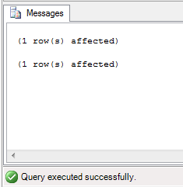
Output:

Assignment 2
ASSIGNMENT 2: | Insert product in products table for specific suppliers

Query:
 | INSERT INTO Products(ProductName,SupplierID,CategoryID,QuantityPerUnit,UnitPrice,UnitsInStock,UnitsOnOrder,ReorderLevel,Discontinued)
 | VALUES
 | ('Lee',6,6,'16 boxes',100.00,16,5,2,0)

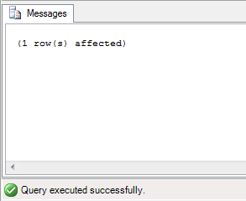
Output:

Assignment 3
ASSIGNMENT 3: | Place orders for one supplier's products.

Query:
 | INSERT INTO Orders(CustomerID,EmployeeID,OrderDate,RequiredDate,ShippedDate,ShipVia,Freight,ShipName,ShipAddress,ShipCity,ShipRegion,ShipPostalCode,ShipCountry)
 | VALUES
 | ('BLONP',6,'1996-07-08 00:00:00.000','1996-08-05 00:00:00.000','1996-07-12 00:00:00.000',3,16.25,'Ernst Handel','Kirchgasse 6','Bern','BC',1602,'USA')

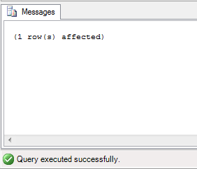
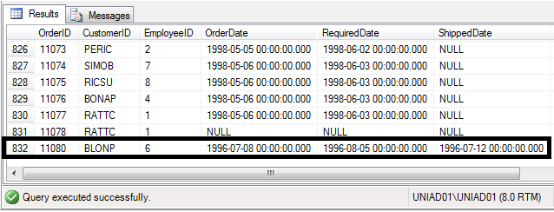
Output:

Assignment 4
ASSIGNMENT 4: | Update employeeID of orders table for spcific supplier's one product

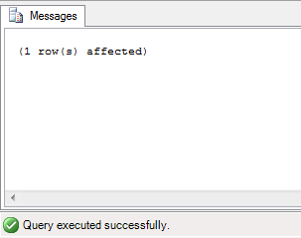
Query: | UPDATE o
 | SET o.EmployeeID='2'
 | FROM Orders o INNER JOIN OrderDetails od ON o.OrderID=od.OrderID
 | INNER JOIN Products p
 | ON p.ProductID=od.ProductID
 | WHERE ((p.ProductID ='1' AND p.SupplierID='1') AND od.OrderID='10285')

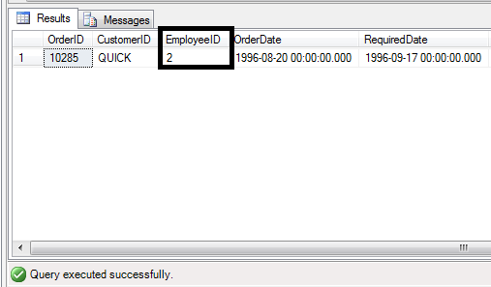
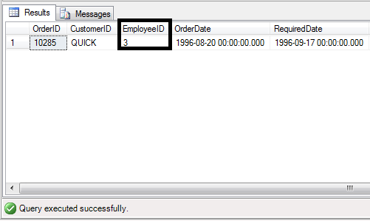
Output:

Assignment 5
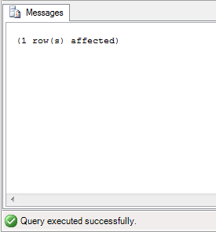
ASSIGNMENT 5: | Update discount in order for spcific supplier's one product who placed order in january, 2010

Query: | UPDATE od
 | SET od.Discount='0.6'
 | FROM OrderDetails od INNER JOIN Orders o ON od.OrderID=o.OrderID
 | INNER JOIN Products p
 | ON p.ProductID=od.ProductID
 | WHERE (((p.ProductID ='30' AND p.SupplierID='13') AND od.OrderID='10401') AND
 | ( YEAR(o.OrderDate)='2010' AND MONTH(o.OrderDate)='1' ))

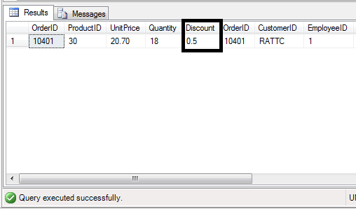
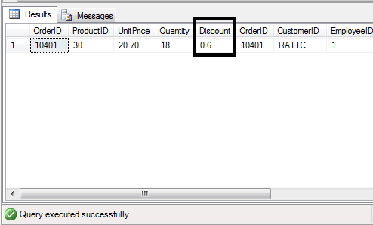
Output:

Assignment 6
ASSIGNMENT 6: | Remove order and its details for spcific supplier's one product. | Output:

Query: | DELETE o
 | FROM Orders o INNER JOIN OrderDetails od ON o.OrderID=od.OrderID
 | INNER JOIN Products p
 | ON p.ProductID=od.ProductID
 | WHERE ( (p.ProductID ='13' AND p.SupplierID='6') AND od.OrderID='10394') ;

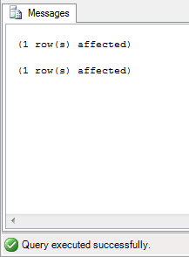
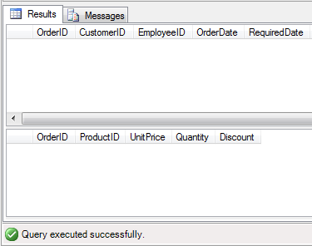
 | DELETE od
 | FROM Orders o INNER JOIN OrderDetails od ON o.OrderID=od.OrderID
 | INNER JOIN Products p
 | ON p.ProductID=od.ProductID
 | WHERE ( (p.ProductID ='13' AND p.SupplierID='6') AND od.OrderID='10394') ;

